6
Row Labels | Sum of Proportion_NA_Sales | Sum of Proportion_EU_Sales | Sum of Proportion_JP_Sales
1980 | 93% | 6% | 0%
1981 | 93% | 5% | 0%
1982 | 93% | 6% | 0%
1983 | 46% | 5% | 48%
1984 | 66% | 4% | 28%
1985 | 63% | 9% | 27%
1986 | 34% | 8% | 53%
1987 | 39% | 6% | 53%
1988 | 51% | 14% | 33%
1989 | 61% | 11% | 25%
1990 | 52% | 15% | 30%
1991 | 40% | 12% | 46%
1992 | 44% | 15% | 38%
1993 | 33% | 10% | 55%
1994 | 36% | 19% | 43%
1995 | 28% | 17% | 52%
1996 | 44% | 24% | 29%
1997 | 47% | 24% | 24%
1998 | 50% | 26% | 20%
1999 | 50% | 25% | 21%
2000 | 47% | 26% | 21%
2001 | 52% | 29% | 12%
2002 | 55% | 28% | 11%
2003 | 54% | 29% | 10%
2004 | 53% | 26% | 10%
2005 | 53% | 27% | 12%
2006 | 50% | 25% | 14%
2007 | 51% | 26% | 10%
2008 | 52% | 27% | 9%
2009 | 51% | 29% | 9%
2010 | 51% | 29% | 10%
2011 | 47% | 32% | 10%
2012 | 43% | 33% | 14%
2013 | 42% | 34% | 13%
2014 | 39% | 37% | 12%
2015 | 39% | 37% | 13%
2016 | 32% | 38% | 19%
Grand Total | 49% | 27% | 15%

ANSWERS, E8
NO. | QUESTION | ANSWER

3 | Do you think any years could be excluded? If so, exclude those rows from the pivot table. | Rows labeled as N/A have been omitted from the analysis since it requires a year-wise breakdown. Additionally, data from 2017 and 2020 has been excluded due to missing information for at least two markets. Moreover, it seems that global sales are solely attributed to a single market, which is highly unlikely. This suggests incomplete data for these years and hence their exclusion from the analysis.

5a | Will the regions differ from each other? | Regional sales trends vary significantly. North America consistently leads in unit sales, contrasting with Europe's relatively smaller proportion of sales each year. Japan, too, shows a smaller share of sales compared to other regions. These differences stem from factors like population size, game format availability, and publisher presence. While Europe's sales have been steadily increasing, North America's dominance in global sales is attributed to its longstanding popularity in the video game market.

5b | Will each stay fairly constant over the years? | Upon reviewing the proportion data, it became evident that my initial expectation of consistent sales in North America was unfounded. In fact, none of the regions are likely to exhibit consistent sales trends based on these insights.

5c | Which one will have the highest sales? | I believe North America will have the highest sales, given its consistent track record of selling more units annually compared to other regions.

5d | Which one will have the lowest sales? | I expect Japan to have lower sales due to its aging population and a potentially smaller audience of video game players compared to other regions, influenced by cultural and demographic differences.

6 | Create a line chart for the three variables | 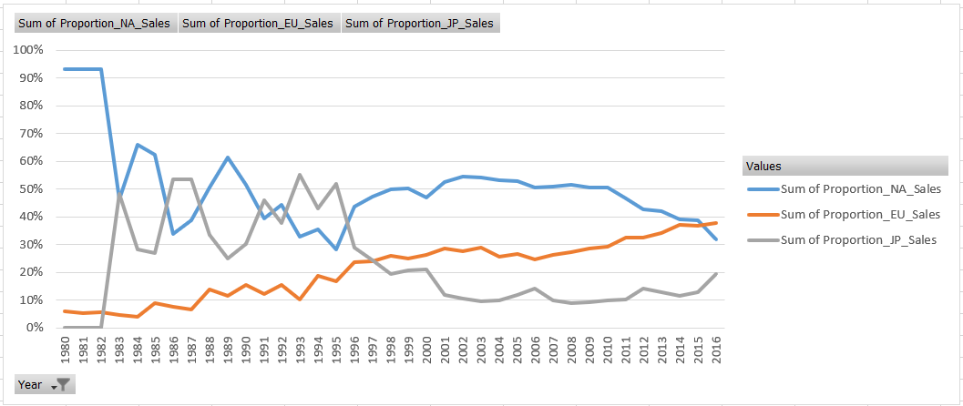

7 | Did any region behave differently than how you expected it would? | Sales trends showed surprising shifts, with Japan's sales dominating over North America's at certain points, notably around 1993-1995 and earlier in 1986. Unexpectedly, Europe showed a gradual sales increase over the years, while North America and Japan saw significant declines starting in 1996. Europe even outperformed North America by 2016, marking an unexpected trend.

8 | If GameCo had the same expectations of sales in their three biggest markets, how should they revise their understanding of the business in light of your findings? Write down your recommendations in your “Answers” sheet (min 150 words). | Given the findings that show varying sales trends across different regions for GameCo's three biggest markets, they must revise their understanding of the business accordingly. Firstly, they should acknowledge the historical dominance of North America in sales but also recognize the shifting trends, such as Japan's intermittent periods of sales dominance and Europe's catching up in recent years. This suggests a need for more nuanced market analysis rather than assuming uniform sales expectations across regions. GameCo should prioritize deeper market research and segmentation to understand the unique factors influencing sales in each region. This includes factors such as cultural preferences, demographic trends, economic conditions, and competitive landscapes specific to each market. By gaining insights into these nuances, GameCo can tailor their marketing strategies, product offerings, pricing strategies, and distribution channels to better align with the preferences and behaviours of consumers in each region. Furthermore, GameCo should adopt a more dynamic and flexible approach to its sales forecasting and business planning. Rather than relying solely on past trends or generalized expectations, they should regularly monitor market dynamics, consumer behaviour shifts, and competitive actions to adapt their strategies proactively. Overall, leveraging these insights and implementing targeted strategies can help GameCo optimize sales performance and maintain a competitive edge in its key markets.

